INSTRUCTIONS
 | Click "File"
 |  | 1 | c
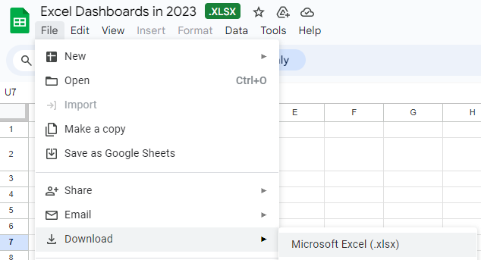

then Choose "Download"
to Microsoft Excel

